Dashboard
Salesperson Percentage All Cities
City | Sales | Partipating Businesses | Salesperson | Total Sales
Kamloops | $42,400 | 16 | Alexa | 1
Kelowna | $60,200 | 22 | Allie | 29
Penticton | $0 | 0 | Castor | 0
Victoria | $0 | 0 | Nikki | 0
2023 Faces of
 |  |  | Renee | 1
 |  |  | Rob | 0
 |  |  | Sydney | 4

INSERTION ORDER
Your Folders:
https://drive.google.com/drive/u/0/folders/1Dpbnjg73inBbzDzI309Otac5_8n_57uV

ALL CITIES INSERTION ORDERS
USE TEMPLATE IN TEMPLATE GALLERY:
https://docs.google.com/spreadsheets/u/0/?tgif=d&ftv=1

TUTORIAL VIDEO ON HOW TO USE TEMPLATES
https://drive.google.com/drive/u/0/folders/13dnsoJ2x_qlWtcw2JVVvVbo3_KLIrscX

DO NOT WRITE ON TEMPLATE IF YOU SEE "In Template Gallery" with a grey box around it - you are in the MASTER copy
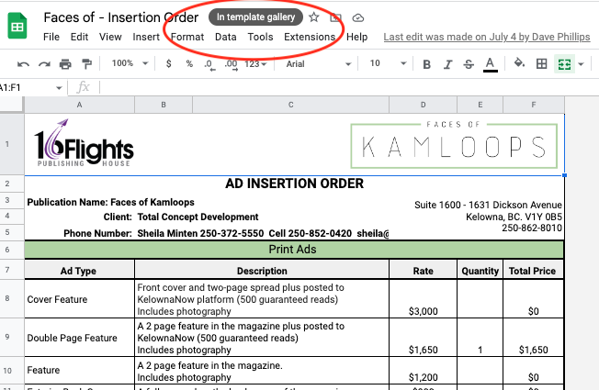

Or check your folders:
https://drive.google.com/drive/u/0/folders/1Dpbnjg73inBbzDzI309Otac5_8n_57uV

